Sheet1
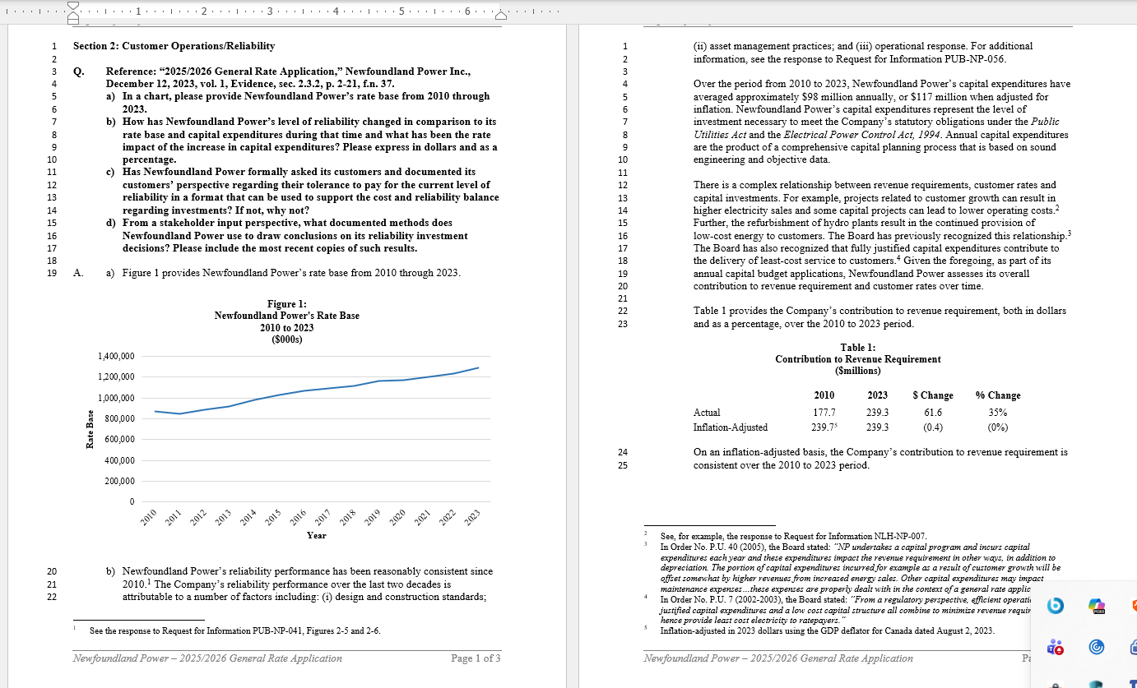
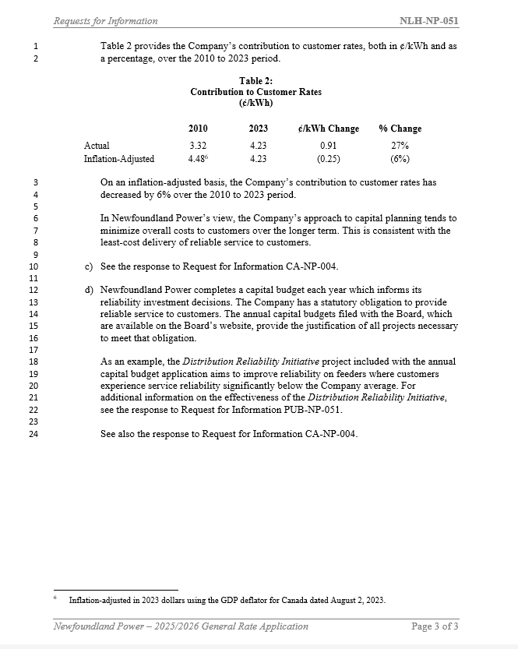
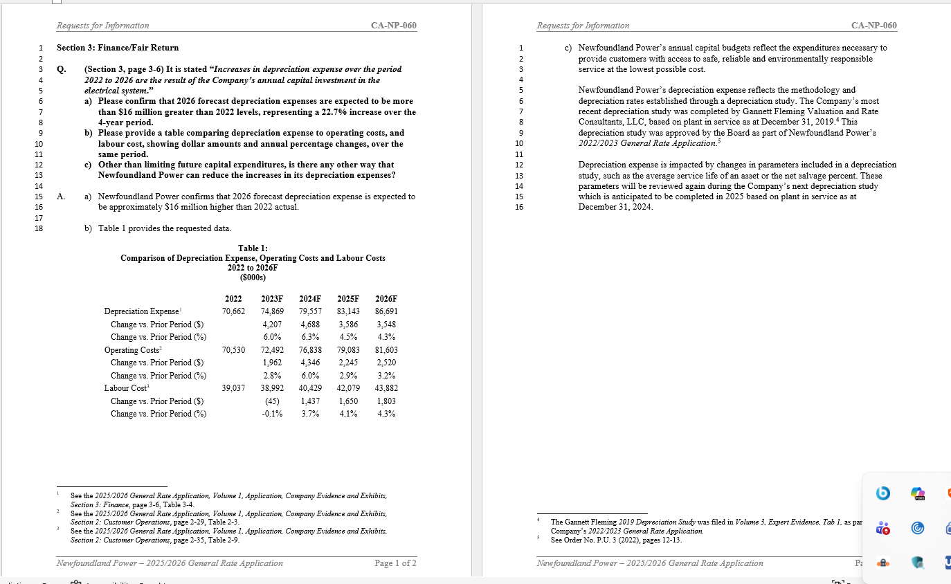
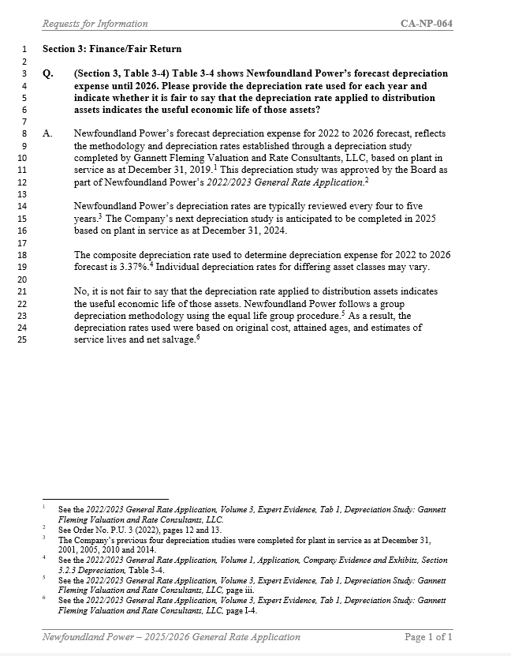
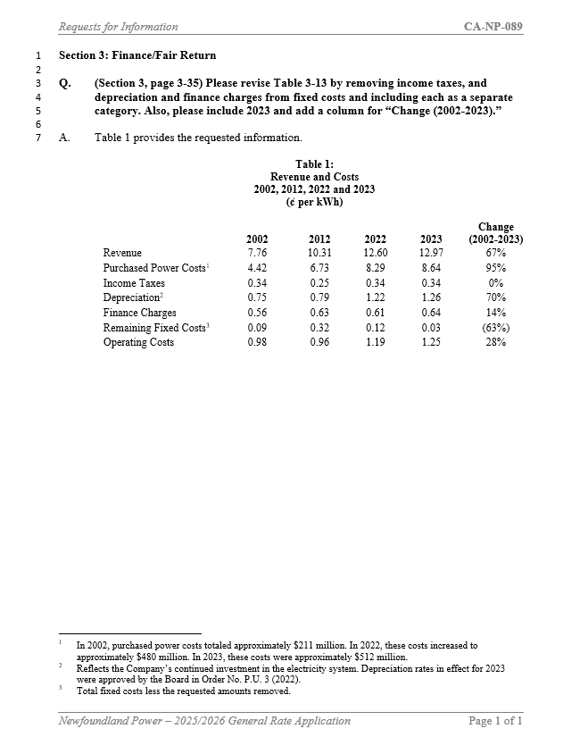
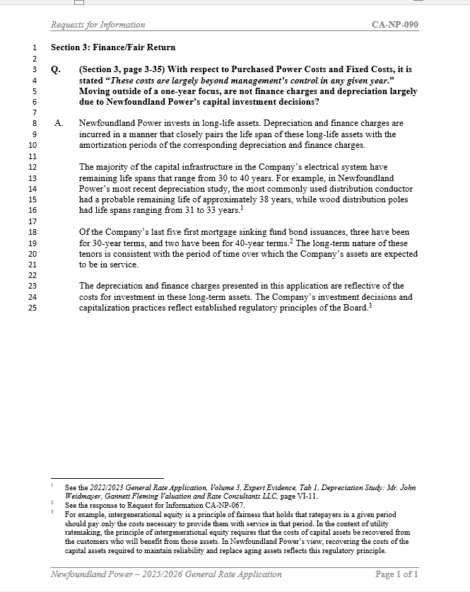
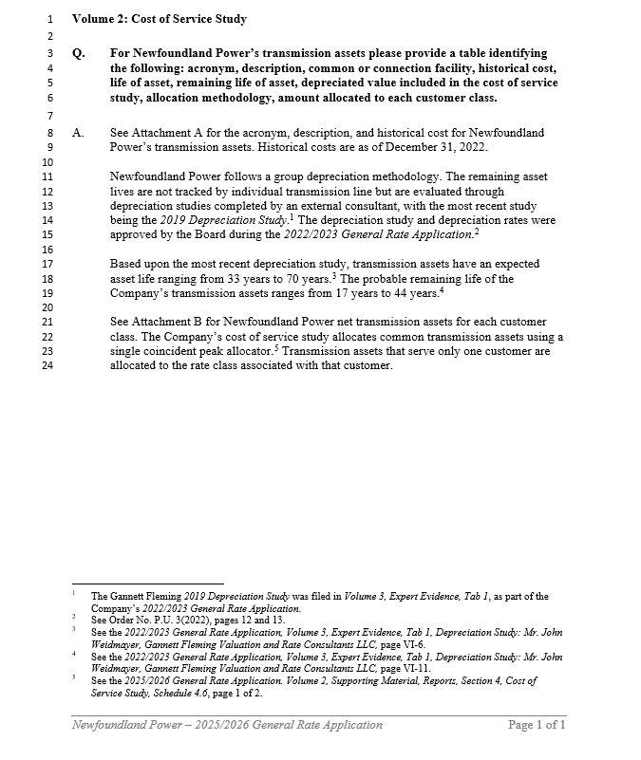
 | Newfoundland Power Inc.
 | Pro Forma Revenue Requirement
 | ($millions)

 |  | 2027
 | Rate Base (A)1 | 59.1
 | Return % (B)2 | 6.57%
 | Return (A x B = C) | 3.9

 | Depreciation (D)3 | 4.9
 | Income Tax (E)4 | 1.0
 | Revenue Requirement (C + D + E = F) | 9.8

1 | Forecast annual change in pro forma average rate base for 2027. It considers the overall proposed 2027 Capital Budget Application including an estimated amount of $249,000 for allowance for funds used during construction and $2,500,000 in contributions in aid of construction which shall be calculated in a manner approved by the Board.

2 | Incremental weighted average cost of capital calculated using a return on equity of 8.60%, as approved by the Board in Order No. P.U. 23 (2025) and an incremental cost of debt of 4.913%. The incremental cost of debt is based upon the Company's debt issue in August 2025 which was approved by the Board in Order No. P.U. 26 (2025).

3 | Forecast change in annual pro forma depreciation expense.

4 | Income tax associated with the pro forma return on equity.

